Sheet1
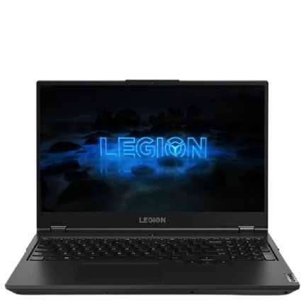
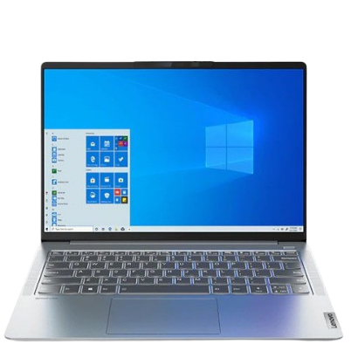
Company | Lenovo
Model | Lenove Legion 5 | Lenovo IdeaPad 5 Pro
CPU | AMD Ryzen 7 5800H | AMD Ryzen 5 5600U
GPU | NVIDIA GeForce RTX 3060 | AMD Radeon Graphics (Integrated Graphics)
RAM | 8GB | 8GB
ROM | 512GB SSD | 512GB SSD
Screen | 15.6-Inch, FHD (1920x1080), IPS, 100%sRGB, 165Hz | 14.0-Inch, 2.2k (2240x1400), IPS, 100%sRGB, 60Hz
Battery | 60Wh | 56.5Wh
Price | RM7199.00 | RM3699.00
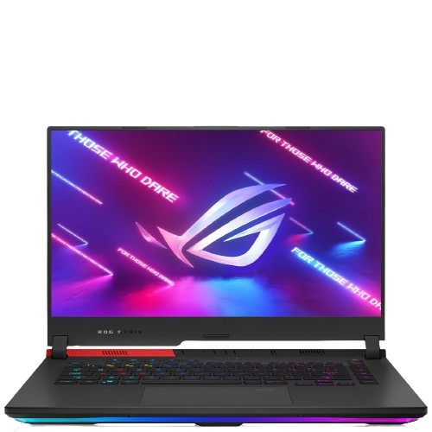
Address | https://www.lenovo.com/my/en/laptops/legion/legion-5-series/Legion-5-15ACH6H/p/82JUCTO1WWENMY0/customize?options_1=5WS0V17080&options_2=GX30P93886&options_3=GXD0T69863&options_4=GX40S69333 | https://www.lenovo.com/my/en/laptops/ideapad/s-series/IdeaPad-5-Pro-14ACN6/p/82L7CTO1WWENMY0/customize?options_1=5WS0T73709&options_2=GY50R91293&options_3=GXD0S50936&options_4=GX40Q17227

Company | Asus
Model | Asus TUF Dash F15 | Asus ROG Strix G15
CPU | Intel Core i7-11370H | AMD Ryzen 7-5800H
GPU | NVIDIA Geforce RTX 3060 | NVIDIA Geforce RTX 3060
RAM | 16GB (2x8GB) | 8GB
ROM | 512GB SSD | 512GB SSD
Screen | 15.6-Inch, FHD (1920x1080), IPS, 62.5%sRGB, 144Hz | 15.6-Inch, FHD (1920x1080), IPS, 62.5%sRGB, 144Hz
Battery | 76Wh | 56Wh
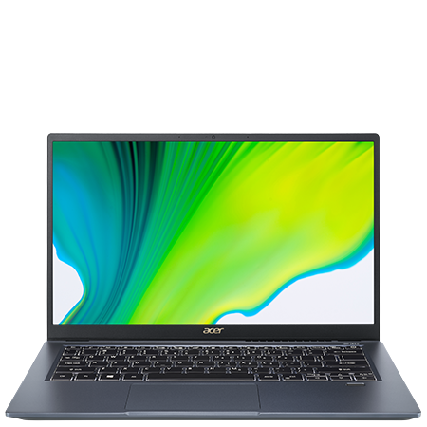
Price | RM5499.00 | RM4499.00
Address | https://www.asus.com/my/Laptops/For-Gaming/TUF-Gaming/2021-ASUS-TUF-Dash-F15/ | https://rog.asus.com/my/laptops/rog-strix/2021-rog-strix-g15-series/
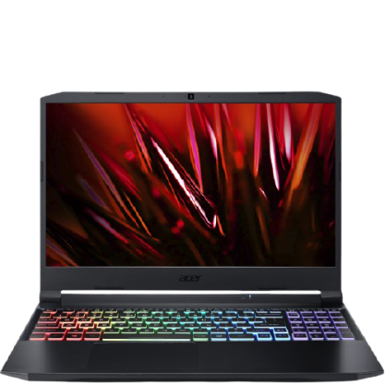
Company | Acer
Model | Acer Nitro 5 | Acer Swift 3X
CPU | AMD Ryzen 7 5800H | Intel Core i7-1165G7
GPU | NVIDIA GeForce GTX 1650 | Intel Iris Xe MAX (Integrated Graphic)
RAM | 8GB | 16GB
ROM | 512GB SSD | 512GB SSD
Screen | 15.6-Inch, FHD (1920x1080), IPS, 100%sRGB, 165Hz | 14-inch, FHD (1920x1080), IPS, 72%NTSC, 60Hz
Battery | 56Wh | 58.7Wh
Price | RM4199.00 | RM3099.00
Address | https://store.acer.com/en-my/laptops/gaming/an515-45-r7qr | https://technave.com/gadget/Acer-Swift-3X-Price-in-Malaysia-Specs-21512.html

